data
x_axis | y_axis
1883 | 1972.3502304
1884 | 2746.5437788
1885 | 2285.7142857
1886 | 1695.8525346
1887 | 2672.8110599
1888 | 3050.6912442
1889 | 2405.5299539
1890 | 3013.8248848
1891 | 2654.3778802
1892 | 2497.6958525
1893 | 2672.8110599
1894 | 1861.7511521
1895 | 1907.8341014
1896 | 2525.3456221
1897 | 1990.7834101
1898 | 1815.6682028
1899 | 1843.3179724
1900 | 1612.9032258
1901 | 2460.8294931
1902 | 2414.7465438
1903 | 2175.1152074
1904 | 1889.4009217
1905 | 1972.3502304
1906 | 2359.4470046
1907 | 2331.797235
1908 | 2064.516129
1909 | 1723.5023041
1910 | 2285.7142857
1911 | 1861.7511521
1912 | 2175.1152074
1913 | 2534.562212
1914 | 2175.1152074
1915 | 1990.7834101
1916 | 2267.281106
1917 | 2543.7788018
1918 | 2101.3824885
1919 | 2728.1105991
1920 | 2516.1290323
1921 | 2046.0829493
1922 | 2700.4608295
1923 | 2534.562212
1924 | 2294.9308756
1925 | 2626.7281106
1926 | 2718.8940092
1927 | 1944.7004608
1928 | 2046.0829493
1929 | 2423.9631336
1930 | 2165.8986175
1931 | 2304.1474654
1932 | 1944.7004608
1933 | 2479.2626728
1934 | 1907.8341014
1935 | 1907.8341014
1936 | 2092.1658986
1937 | 1769.5852535
1938 | 2239.6313364
1939 | 2294.9308756
1940 | 2350.2304147
1941 | 2414.7465438
1942 | 2470.0460829
1943 | 2525.3456221
1944 | 2580.6451613
1945 | 2626.7281106
1946 | 2617.5115207
1947 | 2506.9124424
1948 | 2129.0322581
1949 | 2221.1981567
1950 | 2442.3963134
1951 | 2543.7788018
1952 | 2258.0645161
1953 | 2046.0829493
1954 | 2267.281106
1955 | 2949.3087558
1956 | 2949.3087558
1957 | 2617.5115207
1958 | 2691.2442396
1959 | 2258.0645161
1960 | 2110.5990783
1961 | 1529.9539171
1962 | 2258.0645161
1963 | 2414.7465438
1964 | 2368.6635945
1965 | 2211.9815668
1966 | 2110.5990783
1967 | 2202.764977
1968 | 2193.5483871
1969 | 2230.4147465
1970 | 2672.8110599
1971 | 3050.6912442
1972 | 2930.875576
1973 | 2875.5760369
1974 | 2866.359447
1975 | 2211.9815668
1976 | 2414.7465438
1977 | 2626.7281106
1978 | 2331.797235
1979 | 1658.9861751
1980 | 3235.0230415
1981 | 3142.8571429
1982 | 2672.8110599
1983 | 2147.4654378
1984 | 2285.7142857
1985 | 2350.2304147
1986 | 1963.1336406
1987 | 1935.483871
1988 | 2027.6497696
1989 | 1806.4516129
1990 | 2700.4608295
1991 | 2479.2626728
1992 | 2737.3271889
1993 | 2746.5437788
1994 | 2470.0460829
1995 | 3382.4884793
1996 | 2930.875576
1997 | 2322.5806452
1998 | 2801.843318
1999 | 3115.2073733
2000 | 2746.5437788
2001 | 2175.1152074
2002 | 1953.9170507
2003 | 3216.5898618
2004 | 2857.1428571
2005 | 2055.2995392
2006 | 3059.9078341
2007 | 2552.9953917
2008 | 2368.6635945
2009 | 1824.8847926
2010 | 2092.1658986
2011 | 2838.7096774
2012 | 2718.8940092
2013 | 1824.8847926
2014 | 3023.0414747
2015 | 2737.3271889
2016 | 2322.5806452
2017 | 2387.0967742
2018 | 2387.0967742
2019 | 2258.0645161

picture
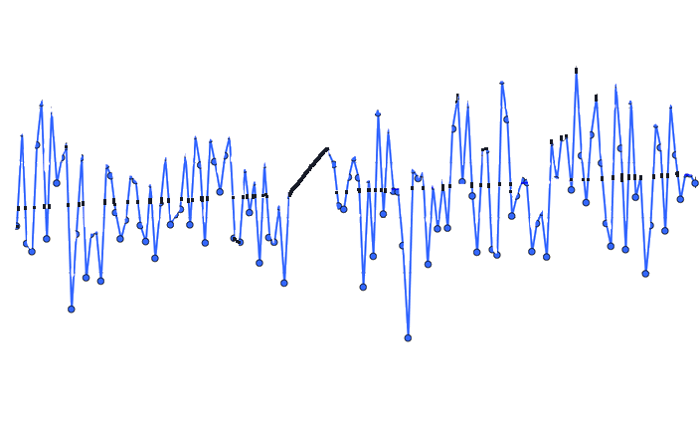

picture_original
